Packing list
 |  |  |  |  |  |  |  |  | 2833 |  |  | 375,724.66 €
Photo | Gender | W | Item Code | EAN | Brand | Description | Color | Size | Qty | RRP | WHS | TOT RRP
 | Unisex | 350 | BB5497 | 4056566504069 | Adidas | adidas Originals Gazelle Sneakers | core black/core black/gold metallic | 36 | 2 | 109.99 € | 55.00 € | 219.98 €
 | Unisex | 350 | BB5497 | 4056566504014 | Adidas | adidas Originals Gazelle Sneakers | core black/core black/gold metallic | 36 2/3 | 2 | 109.99 € | 55.00 € | 219.98 €
 | Unisex | 350 | BB5497 | 4056566502843 | Adidas | adidas Originals Gazelle Sneakers | core black/core black/gold metallic | 37 1/3 | 2 | 109.99 € | 55.00 € | 219.98 €
 | Unisex | 350 | BB5497 | 4056566502898 | Adidas | adidas Originals Gazelle Sneakers | core black/core black/gold metallic | 38 | 4 | 109.99 € | 55.00 € | 439.96 €
 | Unisex | 350 | BB5497 | 4056566504038 | Adidas | adidas Originals Gazelle Sneakers | core black/core black/gold metallic | 39 1/3 | 5 | 109.99 € | 55.00 € | 549.95 €
 | Men | 160.00 | CG7118 | 4060509126485 | Adidas | Sneakers YUNG-1 | WHITE_ICE | 43.333333333 | 1 | 119.95 € | 60.00 € | 119.95 €
 | Men | 160.00 | CG7118 | 4060509126324 | Adidas | Sneakers YUNG-1 | WHITE_ICE | 44 | 1 | 119.95 € | 60.00 € | 119.95 €
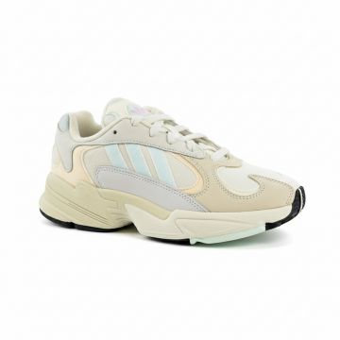 | Men | 160.00 | CG7118 | 4060509126362 | Adidas | Sneakers YUNG-1 | WHITE_ICE | 44.666666667 | 1 | 119.95 € | 60.00 € | 119.95 €
 | Men | 160.00 | CG7118 | 4060509126423 | Adidas | Sneakers YUNG-1 | WHITE_ICE | 45.333333333 | 1 | 119.95 € | 60.00 € | 119.95 €
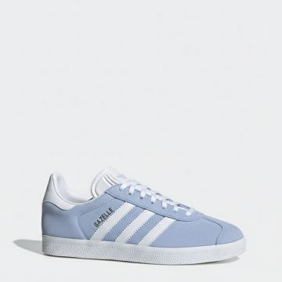 | UNISEX | 160.00 | EE5535 | 4061616424235 | Adidas | Sneakers GAZELLE W | Light Blue | 41.333333333 | 1 | 99.94 € | 50.00 € | 99.94 €
 | Men | 160.00 | GV9095-WHITE | 4066748685639 | Adidas | Sneakers ADIZERO SL | White | 41.333333333 | 17 | 130.00 € | 65.00 € | 2,210.00 €
 | Men | 160.00 | GV9095-WHITE | 4066748685677 | Adidas | Sneakers ADIZERO SL | White | 43.333333333 | 29 | 130.00 € | 65.00 € | 3,770.00 €
 | Men | 160.00 | GV9095-WHITE | 4066748685554 | Adidas | Sneakers ADIZERO SL | White | 44 | 38 | 130.00 € | 65.00 € | 4,940.00 €
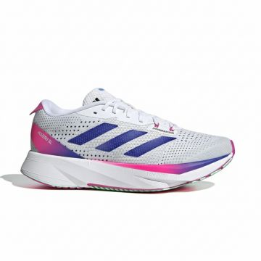 | Men | 160.00 | GV9095-WHITE | 4066748685561 | Adidas | Sneakers ADIZERO SL | White | 45.333333333 | 11 | 130.00 € | 65.00 € | 1,430.00 €
 | Men | 160.00 | GV9095-WHITE | 4066748685592 | Adidas | Sneakers ADIZERO SL | White | 46 | 19 | 130.00 € | 65.00 € | 2,470.00 €
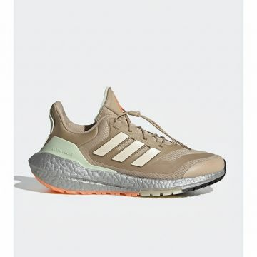 | Women | 160.00 | GX6736-BEIGE | 4065426668285 | Adidas | Sneakers ULTRABOOST 22 C.RDY II W | Beige | 36 | 3 | 200.00 € | 100.00 € | 600.00 €
 | Women | 160.00 | GX6736-BEIGE | 4065426671919 | Adidas | Sneakers ULTRABOOST 22 C.RDY II W | Beige | 36.666666667 | 5 | 200.00 € | 100.00 € | 1,000.00 €
 | Women | 160.00 | GX6736-BEIGE | 4065426668292 | Adidas | Sneakers ULTRABOOST 22 C.RDY II W | Beige | 38 | 8 | 200.00 € | 100.00 € | 1,600.00 €
 | Women | 160.00 | GX6736-BEIGE | 4065426668247 | Adidas | Sneakers ULTRABOOST 22 C.RDY II W | Beige | 38.666666667 | 10 | 200.00 € | 100.00 € | 2,000.00 €
 | Women | 160.00 | GX6736-BEIGE | 4065426668261 | Adidas | Sneakers ULTRABOOST 22 C.RDY II W | Beige | 39.333333333 | 11 | 200.00 € | 100.00 € | 2,200.00 €
 | Women | 160.00 | GX6736-BEIGE | 4065426668193 | Adidas | Sneakers ULTRABOOST 22 C.RDY II W | Beige | 40 | 15 | 200.00 € | 100.00 € | 3,000.00 €
 | Women | 160.00 | GX6736-BEIGE | 4065426668216 | Adidas | Sneakers ULTRABOOST 22 C.RDY II W | Beige | 40.666666667 | 5 | 200.00 € | 100.00 € | 1,000.00 €
 | Women | 160.00 | GX6736-BEIGE | 4065426668278 | Adidas | Sneakers ULTRABOOST 22 C.RDY II W | Beige | 41.333333333 | 4 | 200.00 € | 100.00 € | 800.00 €
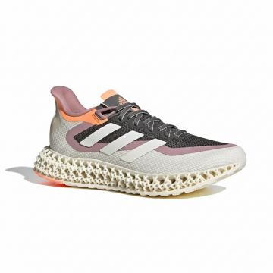 | Women | 160.00 | GX9269-GREY | 4065426710229 | Adidas | Sneakers 4DFWD 2 W | Grey | 36 | 3 | 230.00 € | 115.00 € | 690.00 €
 | Women | 160.00 | GX9269-GREY | 4065426710175 | Adidas | Sneakers 4DFWD 2 W | Grey | 36.666666667 | 4 | 230.00 € | 115.00 € | 920.00 €
 | Women | 160.00 | GX9269-GREY | 4065426710120 | Adidas | Sneakers 4DFWD 2 W | Grey | 38 | 4 | 230.00 € | 115.00 € | 920.00 €
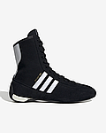 | Women | 220 | JH6665 | 4067892039132 | Adidas | Rasant Mid | BLACK/FTWWHT/OWHITE | 40 | 1 | 145.00 € | 72.50 € | 145.00 €
 | Men | 210.00 | JI1866 | 4067897380420 | Adidas | Sneakers SAMBA OG | Green | 41.333333333 | 20 | 120.00 € | 60.00 € | 2,400.00 €
 | Men | 210.00 | JI1866 | 4067897380444 | Adidas | Sneakers SAMBA OG | Green | 42 | 65 | 120.00 € | 60.00 € | 7,800.00 €
 | Men | 210.00 | JI1866 | 4067897380468 | Adidas | Sneakers SAMBA OG | Green | 42.666666667 | 15 | 120.00 € | 60.00 € | 1,800.00 €
 | Men | 210.00 | JI1866 | 4067897380437 | Adidas | Sneakers SAMBA OG | Green | 43.333333333 | 44 | 120.00 € | 60.00 € | 5,280.00 €
 | Men | 210.00 | JI1866 | 4067897380482 | Adidas | Sneakers SAMBA OG | Green | 44 | 14 | 120.00 € | 60.00 € | 1,680.00 €
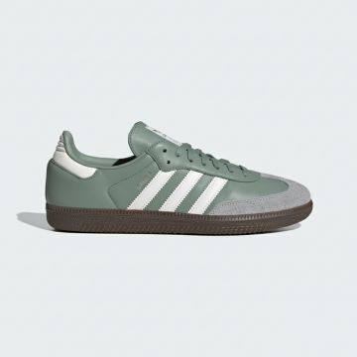 | Men | 210.00 | JI1866 | 4067897380451 | Adidas | Sneakers SAMBA OG | Green | 44.666666667 | 25 | 120.00 € | 60.00 € | 3,000.00 €
 | Men | 210.00 | JI1866 | 4067897380499 | Adidas | Sneakers SAMBA OG | Green | 45.333333333 | 22 | 120.00 € | 60.00 € | 2,640.00 €
 | Men | 210.00 | JI1866 | 4067897380550 | Adidas | Sneakers SAMBA OG | Green | 46 | 31 | 120.00 € | 60.00 € | 3,720.00 €
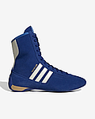 | Women | 220 | JI2503 | 4067892026798 | Adidas | Rasant Mid | SUPCOL/WONWHI/BROWN | 42.666666667 | 1 | 145.00 € | 72.50 € | 145.00 €
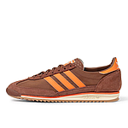 | Women | 340 | JP7664-prebrn/orange/crewht | 4067903831359 | adidas | SL 72 OG | prebrn/orange/crewht | 36 | 2 | 99.99 € | 50.00 € | 199.98 €
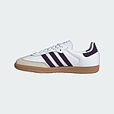 | Women | 340 | JS1392-clowhi/alumin/aurplu | 4068801522387 | adidas | Samba OG W | clowhi/alumin/aurplu | 42 | 2 | 119.99 € | 60.00 € | 239.98 €
 | Women | 340 | JS1392-clowhi/alumin/aurplu | 4068801522370 | adidas | Samba OG W | clowhi/alumin/aurplu | 42 2/3 | 1 | 120.00 € | 60.00 € | 120.00 €
 | Women | 340 | HQ8718-borang/ftwwht/gum3 | 4066748969715 | adidas Originals | Gazelle Indoor W | borang/ftwwht/gum3 | 42 | 3 | 120.00 € | 60.00 € | 360.00 €
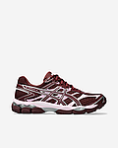 | UNISEX | 220 | 1203A733-600 | 220A | Asics | GEL-Cumulus 16 | PORT ROYAL/PORT ROYAL | 42.5 | 1 | 165.00 € | 82.50 € | 165.00 €
 | UNISEX | 220 | 1203A733-600 | 220A | Asics | GEL-Cumulus 16 | PORT ROYAL/PORT ROYAL | 43.5 | 1 | 165.00 € | 82.50 € | 165.00 €
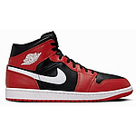 | Men | 340 | DQ8426-black/white/gym red | 197597112879 | Jordan | Air Jordan 1 Mid | black/white/gym red | 45 | 1 | 139.99 € | 70.00 € | 139.99 €
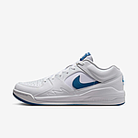 | Men | 340 | DX4397-white/industrial blue/wolf grey | 197593846525 | Jordan | Stadium 90 | white/industrial blue/wolf grey | 45 | 2 | 139.99 € | 70.00 € | 279.98 €
 | Men | 340 | DX4397-white/industrial blue/wolf grey | 197593867414 | Jordan | Stadium 90 | white/industrial blue/wolf grey | 46 | 1 | 139.99 € | 70.00 € | 139.99 €
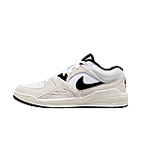 | Men | 340 | FD6424-white/black/sail/varsity red | 196605891447 | Jordan | Stadium 90 SE | white/black/sail/varsity red | 46 | 1 | 139.99 € | 70.00 € | 139.99 €
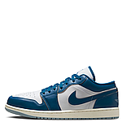 | Men | 340 | FN5214-white/industrial blue/blue grey/sail | 197593826466 | Jordan | Air Jordan 1 Low SE | white/industrial blue/blue grey/sail | 44 | 2 | 139.99 € | 70.00 € | 279.98 €
 | Men | 340 | FN5214-white/industrial blue/blue grey/sail | 197593830227 | Jordan | Air Jordan 1 Low SE | white/industrial blue/blue grey/sail | 44.5 | 2 | 139.99 € | 70.00 € | 279.98 €
 | Unisex | 350 | FQ7938-black | 350A | Jordan | Air Jordan 4 RM (GS) | black | 36 | 5 | 114.99 € | 57.50 € | 574.95 €
 | Unisex | 350 | FQ7938-black | 350A | Jordan | Air Jordan 4 RM (GS) | black | 36.5 | 5 | 114.99 € | 57.50 € | 574.95 €
 | Unisex | 350 | FQ7938-black | 350A | Jordan | Air Jordan 4 RM (GS) | black | 37.5 | 1 | 114.99 € | 57.50 € | 114.99 €
 | Unisex | 350 | FQ7938-black | 350A | Jordan | Air Jordan 4 RM (GS) | black | 38 | 5 | 114.99 € | 57.50 € | 574.95 €
 | Unisex | 350 | FQ7938-black | 350A | Jordan | Air Jordan 4 RM (GS) | black | 38.5 | 5 | 114.99 € | 57.50 € | 574.95 €
 | Unisex | 350 | FQ7938-black | 350A | Jordan | Air Jordan 4 RM (GS) | black | 39 | 5 | 114.99 € | 57.50 € | 574.95 €
 | Unisex | 350 | FQ7938-black | 350A | Jordan | Air Jordan 4 RM (GS) | black | 40 | 2 | 114.99 € | 57.50 € | 229.98 €
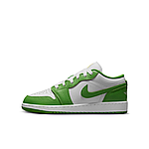 | Unisex | 340 | HF4779-green | 197594642294 | Jordan | Air Jordan 1 Low SE BG (GS) | green | 39 | 1 | 99.99 € | 50.00 € | 99.99 €
 | Unisex | 340 | HF4779-green | 197594641440 | Jordan | Air Jordan 1 Low SE BG (GS) | green | 40 | 1 | 99.99 € | 50.00 € | 99.99 €
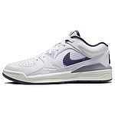 | Women | 340 | HF5760-white/daybreak/sail/cement grey | 197594800182 | Jordan | WMNS Stadium 90 | white/daybreak/sail/cement grey | 39 | 2 | 139.99 € | 70.00 € | 279.98 €
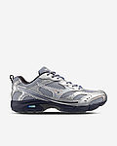 | UNISEX | 350 | D1GA255301 | 220A | Mizuno | MXR Space Lights | Silver/Nimbus Cloud | 36.5 | 1 | 145.00 € | 72.50 € | 145.00 €
 | UNISEX | 350 | D1GA255301 | 220A | Mizuno | MXR Space Lights | Silver/Nimbus Cloud | 37 | 1 | 145.00 € | 72.50 € | 145.00 €
 | UNISEX | 350 | D1GA255301 | 220A | Mizuno | MXR Space Lights | Silver/Nimbus Cloud | 39 | 2 | 145.00 € | 72.50 € | 290.00 €
 | UNISEX | 350 | D1GA255301 | 220A | Mizuno | MXR Space Lights | Silver/Nimbus Cloud | 41 | 1 | 145.00 € | 72.50 € | 145.00 €
 | UNISEX | 350 | D1GA255301 | 220A | Mizuno | MXR Space Lights | Silver/Nimbus Cloud | 42 | 2 | 145.00 € | 72.50 € | 290.00 €
 | UNISEX | 350 | D1GA255301 | 220A | Mizuno | MXR Space Lights | Silver/Nimbus Cloud | 42.5 | 1 | 145.00 € | 72.50 € | 145.00 €
 | UNISEX | 350 | D1GA255301 | 220A | Mizuno | MXR Space Lights | Silver/Nimbus Cloud | 43 | 1 | 145.00 € | 72.50 € | 145.00 €
 | Unisex | 340 | BB480LG-white | 195481100247 | New Balance | New Balance BB480 Schuhe | white | 41.5 | 1 | 99.90 € | 49.95 € | 99.90 €
 | Unisex | 340 | BB480LG-white | 195481100254 | New Balance | New Balance BB480 Schuhe | white | 42 | 1 | 99.90 € | 49.95 € | 99.90 €
 | Unisex | 340 | BB480LG-white | 195481100285 | New Balance | New Balance BB480 Schuhe | white | 44 | 1 | 99.90 € | 49.95 € | 99.90 €
 | Unisex | 340 | BB480LG-white | 195481100308 | New Balance | New Balance BB480 Schuhe | white | 45 | 3 | 99.90 € | 49.95 € | 299.70 €
 | Unisex | 340 | BB480LG-white | 195481100322 | New Balance | New Balance BB480 Schuhe | white | 46.5 | 1 | 99.90 € | 49.95 € | 99.90 €
 | Men | 340 | BB480LWN-white/white/navy | 196432521319 | New Balance | 480 | white/white/navy | 41.5 | 1 | 99.99 € | 50.00 € | 99.99 €
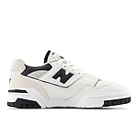 | Men | 340 | BB550ESI-white | 197376879306 | New Balance | 550 | white | 44 | 1 | 139.99 € | 70.00 € | 139.99 €
 | Men | 340 | BB550ESI-white | 197376879313 | New Balance | 550 | white | 44.5 | 1 | 139.99 € | 70.00 € | 139.99 €
 | Men | 340 | BB550ESI-white | 197376879344 | New Balance | 550 | white | 46.5 | 1 | 139.99 € | 70.00 € | 139.99 €
 | Men | 340 | BB550NQB-white/dark blue | 197376290705 | New Balance | 550 | white/dark blue | 46.5 | 1 | 139.99 € | 70.00 € | 139.99 €
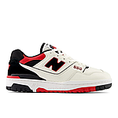 | Women | 340 | BB550STR-white/red | 197376290149 | New Balance | 550 | white/red | 36 | 1 | 139.99 € | 70.00 € | 139.99 €
 | Women | 340 | BB550STR-white/red | 197376290156 | New Balance | 550 | white/red | 37 | 1 | 139.99 € | 70.00 € | 139.99 €
 | Women | 340 | BB550STR-white/red | 197376290163 | New Balance | 550 | white/red | 37.5 | 2 | 139.99 € | 70.00 € | 279.98 €
 | Women | 340 | BB550STR-white/red | 197376290170 | New Balance | 550 | white/red | 38 | 2 | 139.99 € | 70.00 € | 279.98 €
 | Women | 340 | BB550STR-white/red | 197376290200 | New Balance | 550 | white/red | 40 | 1 | 139.99 € | 70.00 € | 139.99 €
 | Unisex | 350 | GSB550-white | 350A | New Balance | 550 (GS) | white | 36 | 5 | 89.99 € | 45.00 € | 449.95 €
 | Unisex | 350 | GSB550-white | 350A | New Balance | 550 (GS) | white | 37 | 5 | 89.99 € | 45.00 € | 449.95 €
 | Unisex | 350 | GSB550-white | 350A | New Balance | 550 (GS) | white | 37.5 | 5 | 89.99 € | 45.00 € | 449.95 €
 | Unisex | 350 | GSB550-white | 350A | New Balance | 550 (GS) | white | 38 | 4 | 89.99 € | 45.00 € | 359.96 €
 | Unisex | 350 | GSB550-white | 350A | New Balance | 550 (GS) | white | 38.5 | 1 | 89.99 € | 45.00 € | 89.99 €
 | Unisex | 350 | GSB550-white | 350A | New Balance | 550 (GS) | white | 39 | 5 | 89.99 € | 45.00 € | 449.95 €
 | Unisex | 350 | GSB550-white | 350A | New Balance | 550 (GS) | white | 40 | 3 | 89.99 € | 45.00 € | 269.97 €
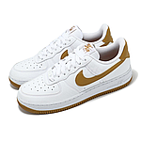 | Women | 340 | DC9486-white | 197596459739 | Nike | WMNS Air Force 1 '07 Next Nature | white | 37.5 | 1 | 119.99 € | 60.00 € | 119.99 €
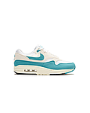 | Women | 340 | DZ2628-white/dusty cactus/phantom/coconut milk | 197593638076 | Nike | WMNS Air Max 1 | white/dusty cactus/phantom/coconut milk | 38 | 1 | 149.99 € | 75.00 € | 149.99 €
 | Unisex | 340 | FV5948-pink | 197597318134 | Nike | Air Force 1 LV8 2 (GS) | pink | 38.5 | 3 | 99.99 € | 50.00 € | 299.97 €
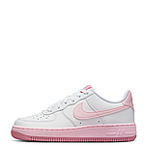 | Unisex | 340 | FV5948-pink | 197597341651 | Nike | Air Force 1 LV8 2 (GS) | pink | 40 | 2 | 99.99 € | 50.00 € | 199.98 €
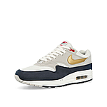 | Men | 340 | HM9604-obsidian/metallic gold/white | 197599893684 | Nike | Air Max 1 | obsidian/metallic gold/white | 42 | 1 | 149.99 € | 75.00 € | 149.99 €
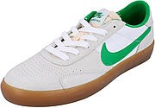 | Men | 340 | CD5010-summit white/navy/gum light brown | 194500807280 | Nike SB | Heritage Vulc | summit white/navy/gum light brown | 42 | 2 | 69.99 € | 35.00 € | 139.98 €
 | Unisex | 350 | FN4210-black/cool grey/anthracite/white | 197594212046 | Nike SB | Skateboard Burnside (GS) | black/cool grey/anthracite/white | 38 | 3 | 79.99 € | 40.00 € | 239.97 €
 | Unisex | 350 | FN4210-black/cool grey/anthracite/white | 197594210493 | Nike SB | Skateboard Burnside (GS) | black/cool grey/anthracite/white | 38.5 | 3 | 79.99 € | 40.00 € | 239.97 €
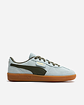 | UNISEX | 220 | 39646351 | 4067983478925 | Puma | Puma Palermo | Peaceful Blue-Loden Green | 36 | 1 | 100.00 € | 50.00 € | 100.00 €
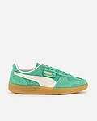 | UNISEX | 220 | 39684105 | 4067979594493 | Puma | Puma Palermo | Jade Frost/Frosted Ivory/Gum | 36 | 3 | 105.00 € | 52.50 € | 315.00 €
 | UNISEX | 220 | 39684105 | 4067979594509 | Puma | Puma Palermo | Jade Frost/Frosted Ivory/Gum | 37 | 3 | 105.00 € | 52.50 € | 315.00 €
 | UNISEX | 220 | 39684105 | 4067979594516 | Puma | Puma Palermo | Jade Frost/Frosted Ivory/Gum | 37.5 | 2 | 105.00 € | 52.50 € | 210.00 €
 | UNISEX | 220 | 39684105 | 4067979594523 | Puma | Puma Palermo | Jade Frost/Frosted Ivory/Gum | 38 | 1 | 105.00 € | 52.50 € | 105.00 €
 | UNISEX | 220 | 39684105 | 4067979594530 | Puma | Puma Palermo | Jade Frost/Frosted Ivory/Gum | 38.5 | 2 | 105.00 € | 52.50 € | 210.00 €
 | UNISEX | 220 | 39684105 | 4067979594554 | Puma | Puma Palermo | Jade Frost/Frosted Ivory/Gum | 40 | 2 | 105.00 € | 52.50 € | 210.00 €
 | UNISEX | 220 | 39684105 | 4067979594561 | Puma | Puma Palermo | Jade Frost/Frosted Ivory/Gum | 40.5 | 2 | 105.00 € | 52.50 € | 210.00 €
 | UNISEX | 220 | 39684105 | 4067979594578 | Puma | Puma Palermo | Jade Frost/Frosted Ivory/Gum | 41 | 3 | 105.00 € | 52.50 € | 315.00 €
 | UNISEX | 220 | 39684105 | 4067979594585 | Puma | Puma Palermo | Jade Frost/Frosted Ivory/Gum | 42 | 2 | 105.00 € | 52.50 € | 210.00 €
 | UNISEX | 220 | 39684105 | 4067979594592 | Puma | Puma Palermo | Jade Frost/Frosted Ivory/Gum | 42.5 | 4 | 105.00 € | 52.50 € | 420.00 €
 | UNISEX | 220 | 39684105 | 4067979594608 | Puma | Puma Palermo | Jade Frost/Frosted Ivory/Gum | 43 | 1 | 105.00 € | 52.50 € | 105.00 €
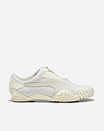 | UNISEX | 220 | 39732901 | 4067979468831 | Puma | Mostro | Vapor Gray/Frosted Ivory | 36 | 2 | 155.00 € | 77.50 € | 310.00 €
 | UNISEX | 220 | 39732901 | 4067979468879 | Puma | Mostro | Vapor Gray/Frosted Ivory | 37.5 | 2 | 155.00 € | 77.50 € | 310.00 €
 | UNISEX | 220 | 39732901 | 4067979468985 | Puma | Mostro | Vapor Gray/Frosted Ivory | 40 | 2 | 155.00 € | 77.50 € | 310.00 €
 | UNISEX | 220 | 39732901 | 4067979468930 | Puma | Mostro | Vapor Gray/Frosted Ivory | 40.5 | 2 | 155.00 € | 77.50 € | 310.00 €
 | UNISEX | 220 | 39732901 | 4067979468954 | Puma | Mostro | Vapor Gray/Frosted Ivory | 41 | 1 | 155.00 € | 77.50 € | 155.00 €
 | UNISEX | 220 | 39732901 | 4067979468961 | Puma | Mostro | Vapor Gray/Frosted Ivory | 42 | 1 | 155.00 € | 77.50 € | 155.00 €
 | UNISEX | 220 | 39732901 | 4067979468978 | Puma | Mostro | Vapor Gray/Frosted Ivory | 42.5 | 1 | 155.00 € | 77.50 € | 155.00 €
 | UNISEX | 220 | 39732901 | 4067979468992 | Puma | Mostro | Vapor Gray/Frosted Ivory | 43 | 2 | 155.00 € | 77.50 € | 310.00 €
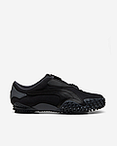 | UNISEX | 220 | 39732902 | 4067979717410 | Puma | Mostro | PUMA Black/Strong Gray | 36 | 1 | 155.00 € | 77.50 € | 155.00 €
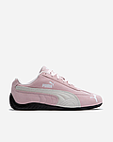 | UNISEX | 220 | 39884604 | 4067982462918 | Puma | Speedcat | Whisp Of Pink-White | 36 | 1 | 115.00 € | 57.50 € | 115.00 €
 | UNISEX | 220 | 39884604 | 4067982462901 | Puma | Speedcat | Whisp Of Pink-White | 43 | 3 | 115.00 € | 57.50 € | 345.00 €
 | UNISEX | 220 | 39884604 | 4067982462796 | Puma | Speedcat | Whisp Of Pink-White | 44 | 1 | 115.00 € | 57.50 € | 115.00 €
 | UNISEX | 220 | 39884604 | 4067982462970 | Puma | Speedcat | Whisp Of Pink-White | 44.5 | 1 | 115.00 € | 57.50 € | 115.00 €
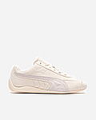 | UNISEX | 220 | 39884623 | 4067983183584 | Puma | Speedcat | Alpine Snow-White | 42 | 1 | 115.00 € | 57.50 € | 115.00 €
 | UNISEX | 220 | 39884623 | 4067983183669 | Puma | Speedcat | Alpine Snow-White | 44.5 | 1 | 115.00 € | 57.50 € | 115.00 €
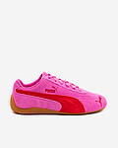 | UNISEX | 220 | 39884656 | 4069156411098 | Puma | Speedcat | Pink Pixel-Glowing Red | 43 | 1 | 115.00 € | 57.50 € | 115.00 €
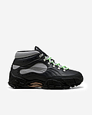 | UNISEX | 220 | 39945301 | 4067984424617 | Puma | Skope Mid | Flat Dark Gray-Silver-Black | 36 | 1 | 170.00 € | 85.00 € | 170.00 €
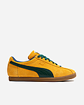 | UNISEX | 220 | 40104802 | 4067983189845 | Puma | Brasil | Tangerine-Dark Myrtle | 38.5 | 1 | 115.00 € | 57.50 € | 115.00 €
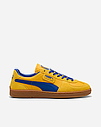 | UNISEX | 220 | 40107901 | 4067982741730 | Puma | Puma x Parma Calcio Super Team | Sport Yellow/Vivid Blue | 36 | 2 | 130.00 € | 65.00 € | 260.00 €
 | UNISEX | 220 | 40107901 | 4067982741679 | Puma | Puma x Parma Calcio Super Team | Sport Yellow/Vivid Blue | 37 | 2 | 130.00 € | 65.00 € | 260.00 €
 | UNISEX | 220 | 40107901 | 4067982741747 | Puma | Puma x Parma Calcio Super Team | Sport Yellow/Vivid Blue | 37.5 | 2 | 130.00 € | 65.00 € | 260.00 €
 | UNISEX | 220 | 40107901 | 4067982741686 | Puma | Puma x Parma Calcio Super Team | Sport Yellow/Vivid Blue | 38 | 3 | 130.00 € | 65.00 € | 390.00 €
 | UNISEX | 220 | 40107901 | 4067982741693 | Puma | Puma x Parma Calcio Super Team | Sport Yellow/Vivid Blue | 39 | 3 | 130.00 € | 65.00 € | 390.00 €
 | UNISEX | 220 | 40107901 | 4067982741761 | Puma | Puma x Parma Calcio Super Team | Sport Yellow/Vivid Blue | 40 | 1 | 130.00 € | 65.00 € | 130.00 €
 | UNISEX | 220 | 40107901 | 4067982741709 | Puma | Puma x Parma Calcio Super Team | Sport Yellow/Vivid Blue | 40.5 | 3 | 130.00 € | 65.00 € | 390.00 €
 | UNISEX | 220 | 40107901 | 4067982741778 | Puma | Puma x Parma Calcio Super Team | Sport Yellow/Vivid Blue | 41 | 3 | 130.00 € | 65.00 € | 390.00 €
 | UNISEX | 220 | 40107901 | 4067982741716 | Puma | Puma x Parma Calcio Super Team | Sport Yellow/Vivid Blue | 42 | 1 | 130.00 € | 65.00 € | 130.00 €
 | UNISEX | 220 | 40107901 | 4067982741785 | Puma | Puma x Parma Calcio Super Team | Sport Yellow/Vivid Blue | 42.5 | 2 | 130.00 € | 65.00 € | 260.00 €
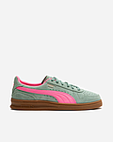 | UNISEX | 220 | 40113606 | 4067983109478 | Puma | Puma Indoor | Green Moon-Sun Struck | 36 | 1 | 115.00 € | 57.50 € | 115.00 €
 | UNISEX | 220 | 40113606 | 4067983109416 | Puma | Puma Indoor | Green Moon-Sun Struck | 37 | 1 | 115.00 € | 57.50 € | 115.00 €
 | UNISEX | 220 | 40113606 | 4067983109485 | Puma | Puma Indoor | Green Moon-Sun Struck | 37.5 | 2 | 115.00 € | 57.50 € | 230.00 €
 | UNISEX | 220 | 40113606 | 4067983109447 | Puma | Puma Indoor | Green Moon-Sun Struck | 40.5 | 2 | 115.00 € | 57.50 € | 230.00 €
 | UNISEX | 220 | 40113606 | 4067983109454 | Puma | Puma Indoor | Green Moon-Sun Struck | 42 | 1 | 115.00 € | 57.50 € | 115.00 €
 | UNISEX | 220 | 40113606 | 4067983109522 | Puma | Puma Indoor | Green Moon-Sun Struck | 42.5 | 2 | 115.00 € | 57.50 € | 230.00 €
 | UNISEX | 220 | 40113606 | 4067983109461 | Puma | Puma Indoor | Green Moon-Sun Struck | 43 | 3 | 115.00 € | 57.50 € | 345.00 €
 | UNISEX | 220 | 40113606 | 4067983109355 | Puma | Puma Indoor | Green Moon-Sun Struck | 44 | 2 | 115.00 € | 57.50 € | 230.00 €
 | UNISEX | 220 | 40113606 | 4067983109539 | Puma | Puma Indoor | Green Moon-Sun Struck | 44.5 | 2 | 115.00 € | 57.50 € | 230.00 €
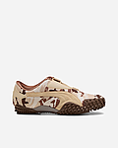 | UNISEX | 220 | 40154001 | 4067983145261 | Puma | Mostro | Light Sand-Espresso Brown | 36 | 1 | 135.00 € | 67.50 € | 135.00 €
 | UNISEX | 220 | 40154001 | 4067983145278 | Puma | Mostro | Light Sand-Espresso Brown | 37.5 | 1 | 135.00 € | 67.50 € | 135.00 €
 | UNISEX | 220 | 40154001 | 4067983145315 | Puma | Mostro | Light Sand-Espresso Brown | 42.5 | 1 | 135.00 € | 67.50 € | 135.00 €
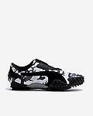 | UNISEX | 220 | 40154002 | 4067982681296 | Puma | Mostro | PUMA Black/Cast Iron | 36 | 4 | 135.00 € | 67.50 € | 540.00 €
 | UNISEX | 220 | 40154002 | 4067982681302 | Puma | Mostro | PUMA Black/Cast Iron | 37.5 | 3 | 135.00 € | 67.50 € | 405.00 €
 | UNISEX | 220 | 40154002 | 4067982681241 | Puma | Mostro | PUMA Black/Cast Iron | 38 | 3 | 135.00 € | 67.50 € | 405.00 €
 | UNISEX | 220 | 40154002 | 4067982681258 | Puma | Mostro | PUMA Black/Cast Iron | 39 | 1 | 135.00 € | 67.50 € | 135.00 €
 | UNISEX | 220 | 40154002 | 4067982681326 | Puma | Mostro | PUMA Black/Cast Iron | 40 | 2 | 135.00 € | 67.50 € | 270.00 €
 | UNISEX | 220 | 40154002 | 4067982681265 | Puma | Mostro | PUMA Black/Cast Iron | 40.5 | 2 | 135.00 € | 67.50 € | 270.00 €
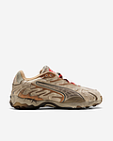 | UNISEX | 220 | 40162401 | 4067983331794 | Puma | Puma x A$AP Inhale Dist. Canva | WHITE | 36 | 1 | 135.00 € | 67.50 € | 135.00 €
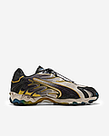 | UNISEX | 220 | 40245601 | 4067984387530 | Puma | Puma x A$AP Rocky Inhale Dist. | Warm White/PUMA Black/Yellow | 38 | 1 | 135.00 € | 67.50 € | 135.00 €
 | UNISEX | 220 | 40245601 | 4067984387547 | Puma | Puma x A$AP Rocky Inhale Dist. | Warm White/PUMA Black/Yellow | 39 | 1 | 135.00 € | 67.50 € | 135.00 €
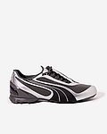 | UNISEX | 220 | 40295303 | 4069156722170 | Puma | V-S1 | Shadow Gray-Black | 42 | 2 | 145.00 € | 72.50 € | 290.00 €
 | UNISEX | 220 | 40295303 | 4069156722248 | Puma | V-S1 | Shadow Gray-Black | 42.5 | 1 | 145.00 € | 72.50 € | 145.00 €
 | UNISEX | 220 | 40295303 | 4069156722187 | Puma | V-S1 | Shadow Gray-Black | 43 | 1 | 145.00 € | 72.50 € | 145.00 €
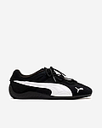 | Women | 220 | 40358901 | 4067984503282 | Puma | Speedcat Go | Black-White | 42 | 1 | 100.00 € | 50.00 € | 100.00 €
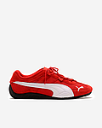 | Women | 220 | 40358902 | 4067984503107 | Puma | Speedcat Go | For All Time Red-White | 42.5 | 1 | 100.00 € | 50.00 € | 100.00 €
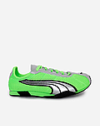 | UNISEX | 220 | 40369201 | 4069156922518 | Puma | H-Street OG | Fizzy Green-Silver | 37.5 | 1 | 110.00 € | 55.00 € | 110.00 €
 | UNISEX | 220 | 40369201 | 4069156922457 | Puma | H-Street OG | Fizzy Green-Silver | 38 | 2 | 110.00 € | 55.00 € | 220.00 €
 | UNISEX | 220 | 40369201 | 4069156922532 | Puma | H-Street OG | Fizzy Green-Silver | 40 | 2 | 110.00 € | 55.00 € | 220.00 €
 | UNISEX | 220 | 40369201 | 4069156922471 | Puma | H-Street OG | Fizzy Green-Silver | 40.5 | 1 | 110.00 € | 55.00 € | 110.00 €
 | UNISEX | 220 | 40369201 | 4069156922549 | Puma | H-Street OG | Fizzy Green-Silver | 41 | 1 | 110.00 € | 55.00 € | 110.00 €
 | UNISEX | 220 | 40369201 | 4069156922488 | Puma | H-Street OG | Fizzy Green-Silver | 42 | 2 | 110.00 € | 55.00 € | 220.00 €
 | UNISEX | 220 | 40369201 | 4069156922495 | Puma | H-Street OG | Fizzy Green-Silver | 43 | 1 | 110.00 € | 55.00 € | 110.00 €
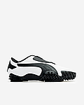 | UNISEX | 220 | 397331-001 | 4067979226134 | Puma | Mostro | Puma White/Puma Black | 37 | 1 | 155.00 € | 77.50 € | 155.00 €
 | UNISEX | 220 | 397331-001 | 4067979226165 | Puma | Mostro | Puma White/Puma Black | 38.5 | 1 | 155.00 € | 77.50 € | 155.00 €
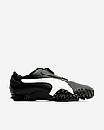 | UNISEX | 220 | 397331-002 | 4067979220163 | Puma | Mostro | PUMA Black/PUMA White | 36 | 1 | 155.00 € | 77.50 € | 155.00 €
 | UNISEX | 220 | 397331-002 | 4067979220187 | Puma | Mostro | PUMA Black/PUMA White | 37 | 1 | 155.00 € | 77.50 € | 155.00 €
 | UNISEX | 220 | 397331-002 | 4067979220354 | Puma | Mostro | PUMA Black/PUMA White | 42 | 1 | 155.00 € | 77.50 € | 155.00 €
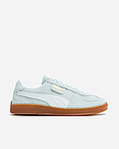 | UNISEX | 220 | 397514-001 | 4099685874620 | Puma | Super Team OG | Blue Skies-White-Gum | 38.5 | 1 | 115.00 € | 57.50 € | 115.00 €
 | Unisex | 350 | TB1A19TE2311-wheat | 197065983093 | Timberland | Timberland Premium 6 inch warm Lined Waterproof Boots | wheat | 36 | 2 | 259.99 € | 130.00 € | 519.98 €
 | Unisex | 350 | TB1A19TE2311-wheat | 197065983604 | Timberland | Timberland Premium 6 inch warm Lined Waterproof Boots | wheat | 37 | 3 | 259.99 € | 130.00 € | 779.97 €
 | Unisex | 350 | TB1A19TE2311-wheat | 197065984298 | Timberland | Timberland Premium 6 inch warm Lined Waterproof Boots | wheat | 38 | 2 | 259.99 € | 130.00 € | 519.98 €
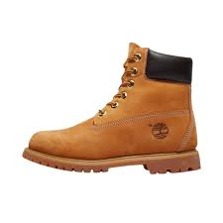 | Unisex | 350 | TB1A19TE2311-wheat | 197065985066 | Timberland | Timberland Premium 6 inch warm Lined Waterproof Boots | wheat | 39 | 4 | 259.99 € | 130.00 € | 1,039.96 €
 | Unisex | 350 | TB1A19TE2311-wheat | 197065985875 | Timberland | Timberland Premium 6 inch warm Lined Waterproof Boots | wheat | 40 | 1 | 259.99 € | 130.00 € | 259.99 €
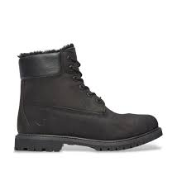 | Unisex | 350 | TB1A1U7S0011-black | 197065987077 | Timberland | Timberland Premium 6 inch warm Lined Waterproof Boots | black | 36 | 2 | 259.99 € | 130.00 € | 519.98 €
 | Unisex | 350 | TB1A1U7S0011-black | 197065987091 | Timberland | Timberland Premium 6 inch warm Lined Waterproof Boots | black | 37 | 2 | 259.99 € | 130.00 € | 519.98 €
 | Unisex | 350 | TB1A1U7S0011-black | 197065987473 | Timberland | Timberland Premium 6 inch warm Lined Waterproof Boots | black | 38 | 2 | 259.99 € | 130.00 € | 519.98 €
 | Unisex | 350 | TB1A1U7S0011-black | 197065988197 | Timberland | Timberland Premium 6 inch warm Lined Waterproof Boots | black | 39 | 2 | 259.99 € | 130.00 € | 519.98 €
 | Unisex | 350 | TB1A1U7S0011-black | 197065988999 | Timberland | Timberland Premium 6 inch warm Lined Waterproof Boots | black | 40 | 1 | 259.99 € | 130.00 € | 259.99 €
 | Unisex | 350 | TB1A1U7S0011-black | 197065989354 | Timberland | Timberland Premium 6 inch warm Lined Waterproof Boots | black | 41 | 1 | 259.99 € | 130.00 € | 259.99 €
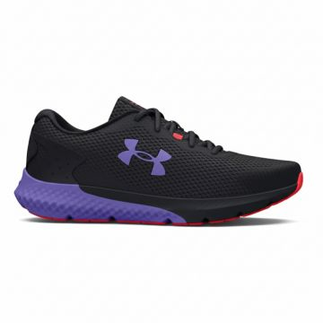 | Women | 290 | 3024888-002 | 196884136673 | Under Armour | UA W Charged Rogue 3-BLK | BLACK | 36.5 | 4 | 80.00 € | 40.00 € | 320.00 €
 | Women | 290 | 3024888-002 | 196884136703 | Under Armour | UA W Charged Rogue 3-BLK | BLACK | 37.5 | 5 | 80.00 € | 40.00 € | 400.00 €
 | Women | 290 | 3024888-002 | 196884136352 | Under Armour | UA W Charged Rogue 3-BLK | BLACK | 38 | 8 | 80.00 € | 40.00 € | 640.00 €
 | Women | 290 | 3024888-002 | 196884136369 | Under Armour | UA W Charged Rogue 3-BLK | BLACK | 38.5 | 9 | 80.00 € | 40.00 € | 720.00 €
 | Women | 290 | 3024888-002 | 196884136659 | Under Armour | UA W Charged Rogue 3-BLK | BLACK | 39 | 6 | 80.00 € | 40.00 € | 480.00 €
 | Women | 290 | 3024888-002 | 196884136642 | Under Armour | UA W Charged Rogue 3-BLK | BLACK | 40 | 7 | 80.00 € | 40.00 € | 560.00 €
 | Women | 290 | 3024888-002 | 196884136390 | Under Armour | UA W Charged Rogue 3-BLK | BLACK | 40.5 | 4 | 80.00 € | 40.00 € | 320.00 €
 | Women | 290 | 3024888-002 | 196884136680 | Under Armour | UA W Charged Rogue 3-BLK | BLACK | 41 | 3 | 80.00 € | 40.00 € | 240.00 €
 | Women | 290 | 3024889-602 | 196040535746 | Under Armour | UA W Charged Pursuit 3-PNK | PINK | 36 | 6 | 65.00 € | 32.50 € | 390.00 €
 | Women | 290 | 3024889-602 | 196040535777 | Under Armour | UA W Charged Pursuit 3-PNK | PINK | 36.5 | 7 | 65.00 € | 32.50 € | 455.00 €
 | Women | 290 | 3024889-602 | 196040536033 | Under Armour | UA W Charged Pursuit 3-PNK | PINK | 37.5 | 6 | 65.00 € | 32.50 € | 390.00 €
 | Women | 290 | 3024889-602 | 196040535241 | Under Armour | UA W Charged Pursuit 3-PNK | PINK | 38 | 7 | 65.00 € | 32.50 € | 455.00 €
 | Women | 290 | 3024889-602 | 196040535296 | Under Armour | UA W Charged Pursuit 3-PNK | PINK | 38.5 | 9 | 65.00 € | 32.50 € | 585.00 €
 | Women | 290 | 3024889-602 | 196040535715 | Under Armour | UA W Charged Pursuit 3-PNK | PINK | 39 | 14 | 65.00 € | 32.50 € | 910.00 €
 | Women | 290 | 3024889-602 | 196040535678 | Under Armour | UA W Charged Pursuit 3-PNK | PINK | 40 | 4 | 65.00 € | 32.50 € | 260.00 €
 | Women | 290 | 3024889-602 | 196040535487 | Under Armour | UA W Charged Pursuit 3-PNK | PINK | 40.5 | 6 | 65.00 € | 32.50 € | 390.00 €
 | Women | 290 | 3024889-602 | 196040536002 | Under Armour | UA W Charged Pursuit 3-PNK | PINK | 41 | 4 | 65.00 € | 32.50 € | 260.00 €
 | Women | 290 | 3025060-604 | 196040173122 | Under Armour | UA W Charged Aurora 2-PNK | PINK | 36 | 12 | 70.00 € | 35.00 € | 840.00 €
 | Women | 290 | 3025060-604 | 196040173399 | Under Armour | UA W Charged Aurora 2-PNK | PINK | 37.5 | 4 | 70.00 € | 35.00 € | 280.00 €
 | Women | 290 | 3025060-604 | 196040172910 | Under Armour | UA W Charged Aurora 2-PNK | PINK | 38 | 26 | 70.00 € | 35.00 € | 1,820.00 €
 | Women | 290 | 3025060-604 | 196040172927 | Under Armour | UA W Charged Aurora 2-PNK | PINK | 38.5 | 16 | 70.00 € | 35.00 € | 1,120.00 €
 | Women | 290 | 3025060-604 | 196040173108 | Under Armour | UA W Charged Aurora 2-PNK | PINK | 39 | 22 | 70.00 € | 35.00 € | 1,540.00 €
 | Women | 290 | 3025060-604 | 196040172989 | Under Armour | UA W Charged Aurora 2-PNK | PINK | 40 | 22 | 70.00 € | 35.00 € | 1,540.00 €
 | Women | 290 | 3025060-604 | 196040172965 | Under Armour | UA W Charged Aurora 2-PNK | PINK | 40.5 | 7 | 70.00 € | 35.00 € | 490.00 €
 | Women | 290 | 3025060-604 | 196040173375 | Under Armour | UA W Charged Aurora 2-PNK | PINK | 41 | 8 | 70.00 € | 35.00 € | 560.00 €
 | Men | 290 | 3026121-005 | 196883946471 | Under Armour | UA HOVR Sonic 6-BLK | BLACK | 41 | 4 | 120.00 € | 60.00 € | 480.00 €
 | Men | 290 | 3026121-005 | 196883946860 | Under Armour | UA HOVR Sonic 6-BLK | BLACK | 42 | 6 | 120.00 € | 60.00 € | 720.00 €
 | Men | 290 | 3026121-005 | 196883946846 | Under Armour | UA HOVR Sonic 6-BLK | BLACK | 42.5 | 8 | 120.00 € | 60.00 € | 960.00 €
 | Men | 290 | 3026121-005 | 196883946488 | Under Armour | UA HOVR Sonic 6-BLK | BLACK | 43 | 6 | 120.00 € | 60.00 € | 720.00 €
 | Men | 290 | 3026121-005 | 196883946877 | Under Armour | UA HOVR Sonic 6-BLK | BLACK | 40.5 | 6 | 120.00 € | 60.00 € | 720.00 €
 | Men | 290 | 3026121-104 | 196883947652 | Under Armour | UA HOVR Sonic 6-WHT | White | 41 | 9 | 120.00 € | 60.00 € | 1,080.00 €
 | Men | 290 | 3026121-104 | 196883947744 | Under Armour | UA HOVR Sonic 6-WHT | White | 42 | 9 | 120.00 € | 60.00 € | 1,080.00 €
 | Men | 290 | 3026121-104 | 196883947720 | Under Armour | UA HOVR Sonic 6-WHT | White | 42.5 | 9 | 120.00 € | 60.00 € | 1,080.00 €
 | Men | 290 | 3026121-104 | 196883947669 | Under Armour | UA HOVR Sonic 6-WHT | White | 43 | 13 | 120.00 € | 60.00 € | 1,560.00 €
 | Men | 290 | 3026121-104 | 196883947638 | Under Armour | UA HOVR Sonic 6-WHT | White | 44 | 18 | 120.00 € | 60.00 € | 2,160.00 €
 | Men | 290 | 3026121-104 | 196883947621 | Under Armour | UA HOVR Sonic 6-WHT | White | 44.5 | 7 | 120.00 € | 60.00 € | 840.00 €
 | Men | 290 | 3026121-300 | 196883948321 | Under Armour | UA HOVR Sonic 6-GRN | Green | 42 | 8 | 120.00 € | 60.00 € | 960.00 €
 | Men | 290 | 3026121-300 | 196883948307 | Under Armour | UA HOVR Sonic 6-GRN | Green | 42.5 | 13 | 120.00 € | 60.00 € | 1,560.00 €
 | Men | 290 | 3026121-300 | 196883948246 | Under Armour | UA HOVR Sonic 6-GRN | Green | 43 | 13 | 120.00 € | 60.00 € | 1,560.00 €
 | Men | 290 | 3026121-300 | 196883948215 | Under Armour | UA HOVR Sonic 6-GRN | Green | 44 | 15 | 120.00 € | 60.00 € | 1,800.00 €
 | Men | 290 | 3026121-802 | 196883949106 | Under Armour | UA HOVR Sonic 6-ORG | Orange | 42 | 8 | 120.00 € | 60.00 € | 960.00 €
 | Men | 290 | 3026121-802 | 196883949083 | Under Armour | UA HOVR Sonic 6-ORG | Orange | 42.5 | 3 | 120.00 € | 60.00 € | 360.00 €
 | Men | 290 | 3026121-802 | 196883949021 | Under Armour | UA HOVR Sonic 6-ORG | Orange | 43 | 9 | 120.00 € | 60.00 € | 1,080.00 €
 | Men | 290 | 3026121-802 | 196883948390 | Under Armour | UA HOVR Sonic 6-ORG | Orange | 44 | 17 | 120.00 € | 60.00 € | 2,040.00 €
 | Women | 290 | 3026128-101 | 196040275024 | Under Armour | UA W HOVR SONIC 6 | White | 39 | 5 | 120.00 € | 60.00 € | 600.00 €
 | Women | 290 | 3026128-603 | 196883949755 | Under Armour | UA W HOVR Sonic 6-PNK | PINK | 37.5 | 6 | 120.00 € | 60.00 € | 720.00 €
 | Women | 290 | 3026128-603 | 196883949670 | Under Armour | UA W HOVR Sonic 6-PNK | PINK | 38 | 8 | 120.00 € | 60.00 € | 960.00 €
 | Women | 290 | 3026128-603 | 196883949663 | Under Armour | UA W HOVR Sonic 6-PNK | PINK | 38.5 | 13 | 120.00 € | 60.00 € | 1,560.00 €
 | Women | 290 | 3026128-603 | 196883949748 | Under Armour | UA W HOVR Sonic 6-PNK | PINK | 39 | 15 | 120.00 € | 60.00 € | 1,800.00 €
 | Women | 290 | 3026128-603 | 196883949779 | Under Armour | UA W HOVR Sonic 6-PNK | PINK | 40 | 17 | 120.00 € | 60.00 € | 2,040.00 €
 | Women | 290 | 3026128-603 | 196883949786 | Under Armour | UA W HOVR Sonic 6-PNK | PINK | 40.5 | 9 | 120.00 € | 60.00 € | 1,080.00 €
 | Women | 290 | 3026128-603 | 196883949687 | Under Armour | UA W HOVR Sonic 6-PNK | PINK | 41 | 9 | 120.00 € | 60.00 € | 1,080.00 €
 | Men | 290 | 3026520-400 | 196883955336 | Under Armour | UA HOVR Turbulence 2-BLU | Blue | 41 | 15 | 100.00 € | 50.00 € | 1,500.00 €
 | Men | 290 | 3026520-400 | 196883955404 | Under Armour | UA HOVR Turbulence 2-BLU | Blue | 42 | 20 | 100.00 € | 50.00 € | 2,000.00 €
 | Men | 290 | 3026520-400 | 196883955411 | Under Armour | UA HOVR Turbulence 2-BLU | Blue | 42.5 | 22 | 100.00 € | 50.00 € | 2,200.00 €
 | Men | 290 | 3026520-400 | 196883955275 | Under Armour | UA HOVR Turbulence 2-BLU | Blue | 43 | 33 | 100.00 € | 50.00 € | 3,300.00 €
 | Men | 290 | 3026520-400 | 196883955305 | Under Armour | UA HOVR Turbulence 2-BLU | Blue | 44 | 16 | 100.00 € | 50.00 € | 1,600.00 €
...

